List
Wuzzuf App
Bugs
Title | Steps | Pre Conditions | Expected result | Actual result | Device | Network | Severity | Priority | Attachment
Search - When select search category , it is not selected in the Filter Page after search | 1) Open Wuzzuf 2) Click on search input text box 3) Select any category and click search 4) Click on Filter button | User Logged in | In Category Filter , Category selected ijn search should be marked | In Category Filter , All is selected | Iphone XS Iphone 11 Pro | Wifi 4G | 2 | 2 | 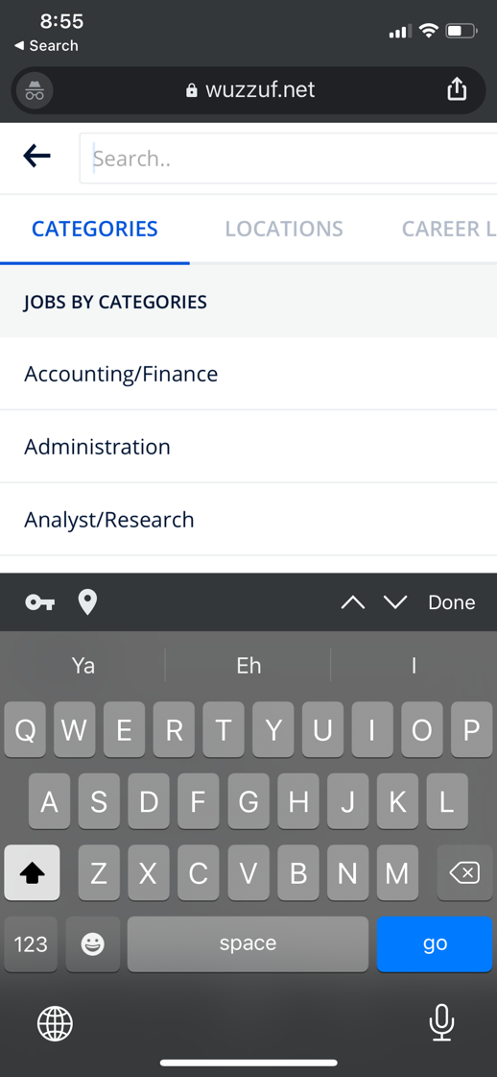  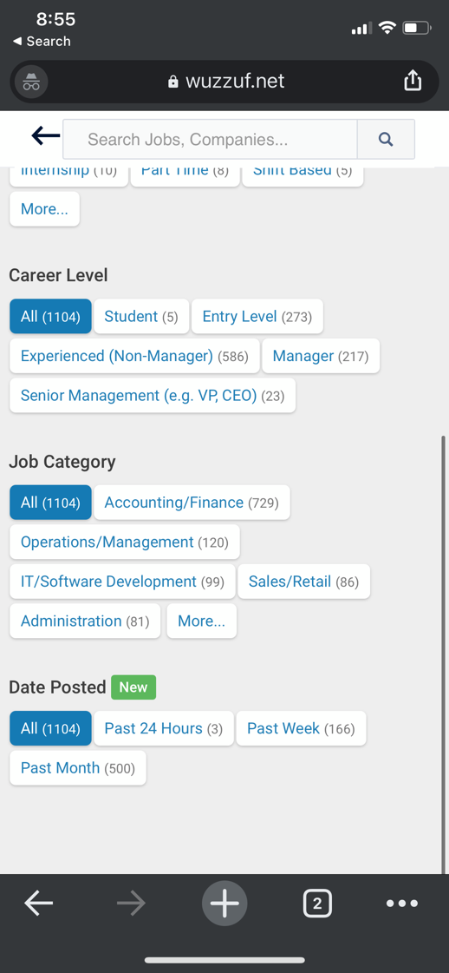
Could not move down in the profile Menu - Scroll needed | 1) Open Wuzzuf 2) Click on Profile icon 3) try to scroll down for logout | user logged in | Scroll exist and page scrolled down | page could not be scrolled down and to get the logout button it needs to minimize page size to get it | Iphone XS Iphone 11 Pro | Wifi 4G | 2 | 2 |  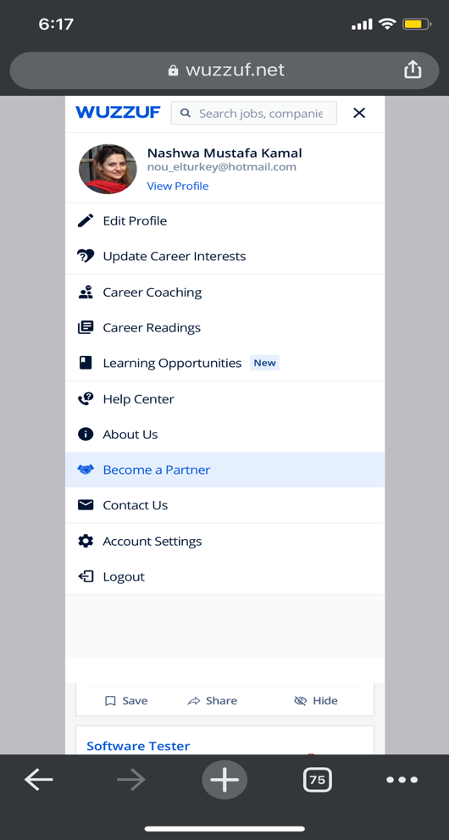
When Click on Sign up with google and return back , all links in the page redirect to Sign up with google page | 1) Open Wuzzuf 2) Click on Profile icon 3) Click join now 4) Click sign up with google 5) Click back 6) Click wuzzuf icon | user not logged in | it should redirect for home page | it redirect for career intereset page | Iphone XS Iphone 11 Pro | Wifi 4G | 2 | 2 | 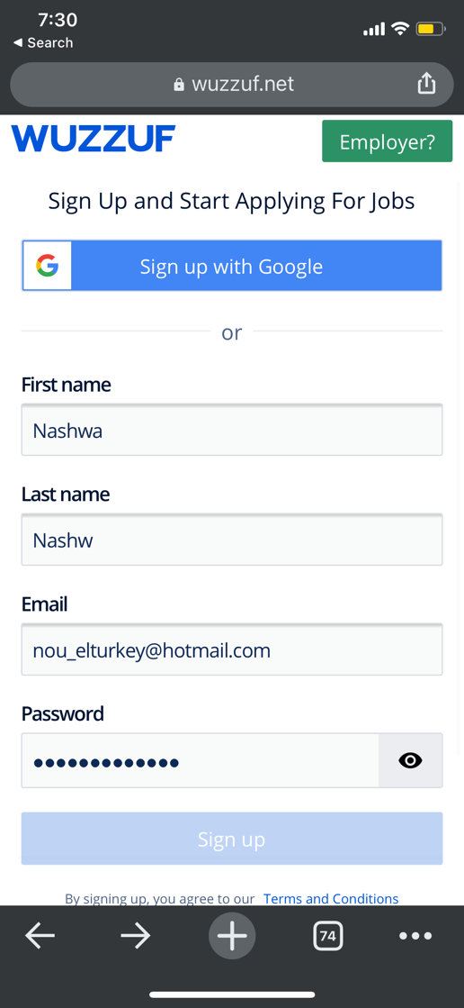 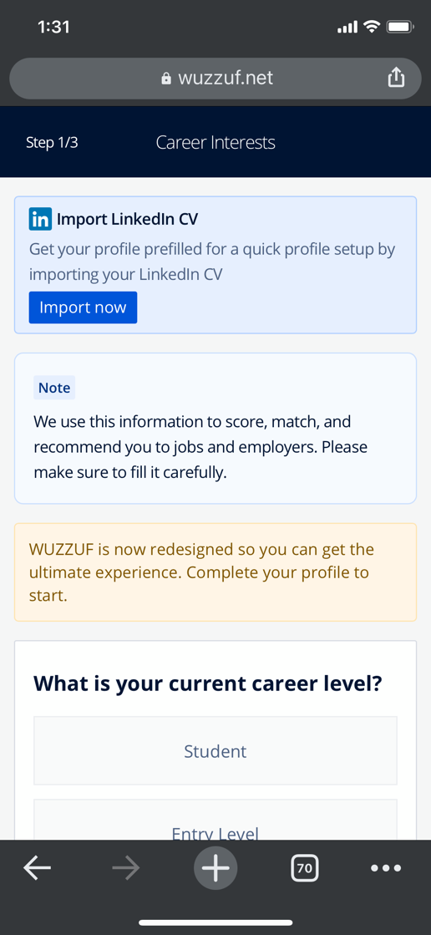
When click on Sign up with google it redirect to wrong page | 1) Open Wuzzuf 2) Click on Profile icon 3) Click join now 4) Click sign up with google | user not logged in | it should redirect to google login page | it redirects to career interests page | Iphone XS Iphone 11 Pro | Wifi 4G | 1 | 1 |  
Access denied error When Click on Sign up with google and return back and click Sign up with google again, | 1) Open Wuzzuf 2) Click on Profile icon 3) Click join now 4) Click sign up with google 5) Click back 6) Click sign up with google again | user not logged in | should redirect to google login page | give access deined error | Iphone XS Iphone 11 Pro | Wifi 4G | 2 | 2 | 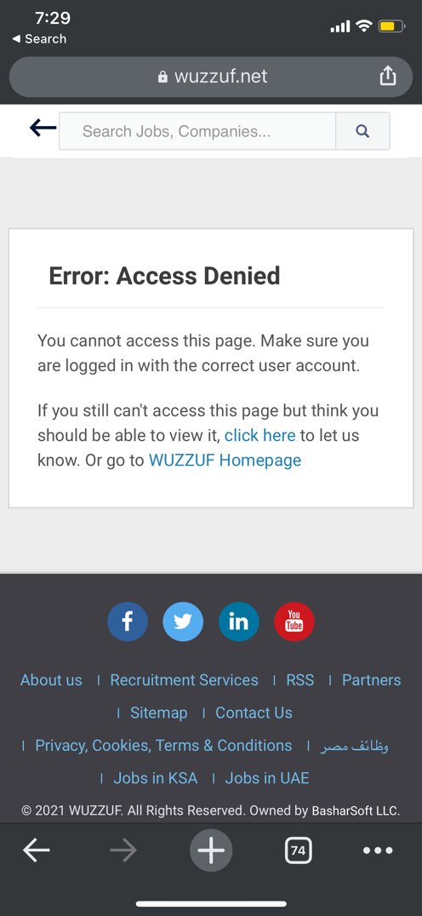  
Horizontal line appear in all pages in the app while scrolling | 1) Open Wuzzuf 2) move down or up in any page | User Logged in |  | Horizontal line appeared while scrolling | Iphone XS Iphone 11 Pro | Iphone XS Iphone 11 Pro | 4 | 4 |  
When Open saved job and unsave it from the job link , it is not effected immedialty | 1) Open Wuzzuf 2) from explore page click save for any job post 3) Open the job post link 4) Click unsave job | User Logged in | job should be removed immedailty from saved page and marked as unsave in explore page | user need to refresh to see the saved job removed from saved page and marked as unsaved in explore page | Iphone XS Iphone 11 Pro | Iphone XS Iphone 11 Pro | 3 | 3 |  